Confirmed PO
PURCHASE ORDER |  |  |  |  |  |  |  |  |  |  |  |  |  |  |  |  |  |  |  |  |  |  | PT. LARA THALIA ABADI
PO NO | : |  |  |  |  |  |  |  |  |  | EVB |  |  |  |  |  |  |  |  |  |  |  | EVERBEST TOWER - CENGKARENG BUSINESS CITY TOWER M
 |  |  |  |  |  |  |  |  |  |  | NEW ARRIVAL |  |  |  |  |  |  |  |  |  |  |  | Jl. Atang Sanjaya no. 21 Benda - Tangerang Banten, Indonesia
DATE |  |  |  |  |  |  |  |  |  |  |  |  |  |  |  |  |  |  |  |  |  |  | PHONE : 021 - 2252 9090
TO | : EDE |  |  |  |  |  |  |  |  |  |  |  |  |  |  |  |  |  |  |  |  |  | E-MAIL ADDRESS : buyer@everbestgroup.com

DESCRIPTION | DEVELOP CODE | STYLE NAME | COLOUR |  | SETS |  |  |  |  |  |  |  |  |  |  |  |  |  |  |  |  |  |  | QTY CARTON PER 12 | QTY CARTON PER 8 | QTY PAIRS | UNIT PRICE | AMOUNT
 |  |  |  |  | 12A | 12B | 12C | 12D | 12E | 12F | 12G | 8A | 8B | 8C | 8D | 8E | 6A | 6B | 6C | 6D | 6E | 4A | 4B
 | 开发代码 | 款式名称 |  |  |  |  |  |  |  |  |  |  |  |  |  |  |  |  |  |  |  |  |  |  |  |  | US$ | US$
EVB SHOES - UPPERSTYLE - SUB-UPPERSTYLE |  |  |  |  |  |  |  |  |  |  |  |  |  |  |  |  |  |  |  |  |  |  |  | - | - | - | $- | $-
 |  |  |  |  |  |  |  |  |  |  |  |  |  |  |  |  |  |  |  |  |  |  |  | - | - | - | $- | $-
Material : |  |  |  |  |  |  |  |  |  |  |  |  |  |  |  |  |  |  |  |  |  |  |  | - | - | - | $- | $-
Lining : |  |  |  |  |  |  |  |  |  |  |  |  |  |  |  |  |  |  |  |  |  |  |  | - | - | - | $- | $-
Insole :
Outsole :
Heel Height :
 |  |  |  |  |  |  |  |  |  |  |  |  |  |  |  |  |  |  |  |  |  |  |  | - | - | - |  | $-
Delivery Date
交货日期
LOGO : |  |  |  |  |  |  |  |  |  |  |  |  |  | STYLE NAME |  |  | COLOR |  | SIZES |  |  |  |  |  |  | TOTAL QTY
商标 |  |  |  |  |  |  |  |  |  |  |  |  |  |  |  |  |  |  | 35 | 36 | 37 | 38 | 39 | 40 | 41
TERM OF PAYMENT: | CREDIT |  |  |  |  |  |  |  |  |  |  |  |  | - |  |  | - |  |  |  |  |  |  |  |  | -
 |  |  |  |  |  |  |  |  |  |  |  |  |  |  |  |  | - |  |  |  |  |  |  |  |  | -
{_sets_} {_alejandro_}
CARTON MARK ： |  |  |  |  |  |  |  |  |  |  |  |  |  |  |  |  | - |  |  |  |  |  |  |  |  | -
( 箱标志 ) |  |  |  |  |  |  |  |  |  |  |  |  |  |  |  |  | - |  |  |  |  |  |  |  |  | -
 |  |  |  |  |  |  |  |  |  |  |  |  |  |  |  |  |  |  | - | - | - | - | - | - | - | -

PICTURE ( 图片 ):
-
-

0 |  |  |  | 0 |  |  |  |  |  |  |  |  | 0 |  |  |  |  |  |  |  |  | 0

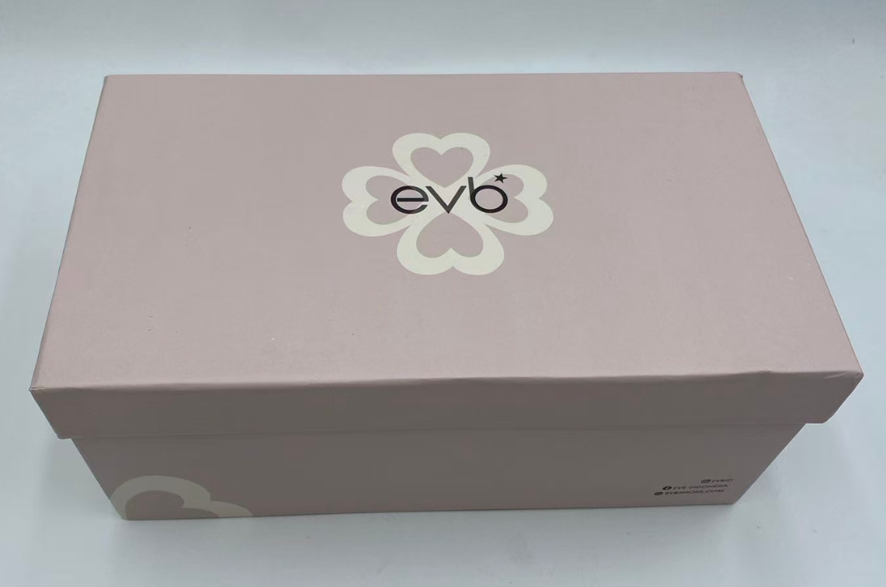
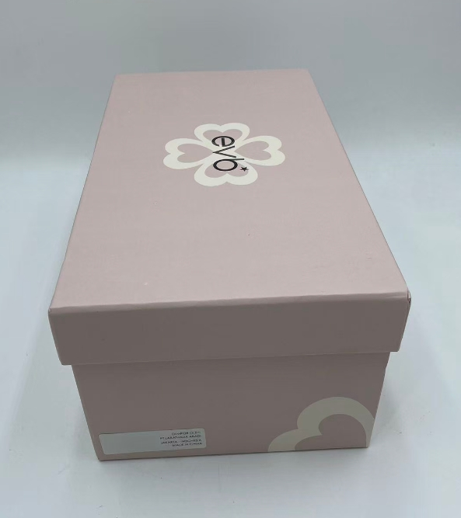
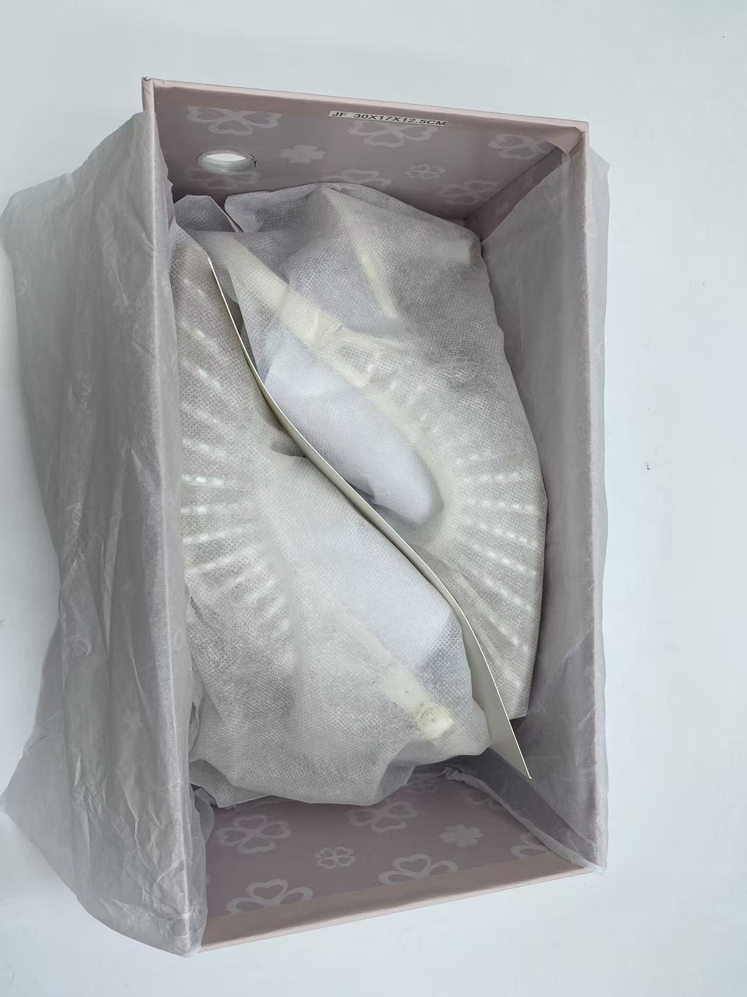
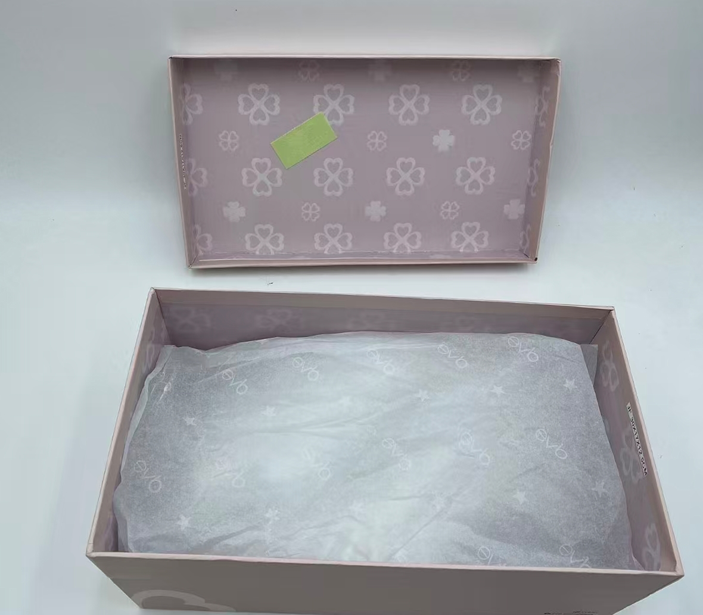
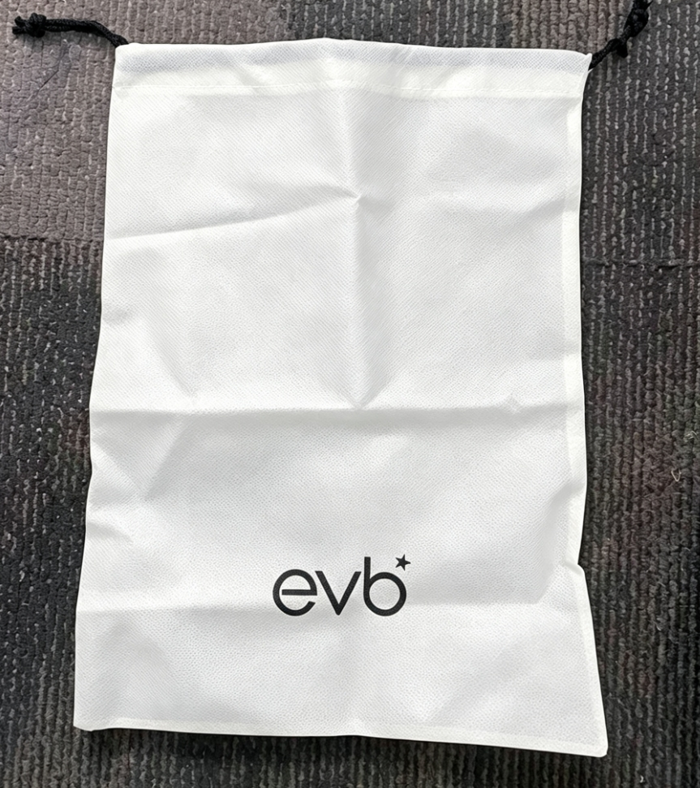
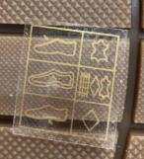
SHOE BOX BARCODE : |  |  |  | PACKAGING 包装: |  |  |  |  |  |  |  | LINING : |  |  |  |  |  | SHOE MATERIAL CODE : |  |  |  |  |  | IMPORT LABEL STICKER :
(请贴这些条码在鞋盒按照图片) |  |  |  | (鞋盒 和 箱子 包法) |  |  |  |  |  |  |  | (打印在内里上） |  |  |  |  |  | (鞋子材料贴标) |  |  |  |  |  | (导入标签)
 |  |  |  |  |  |  |  |  |  |  |  | 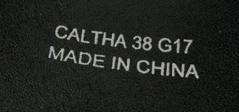

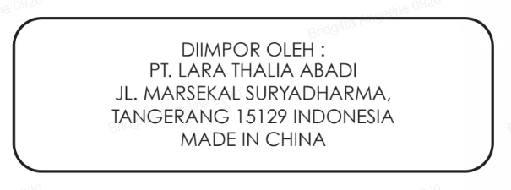
编号，码数，生产号码
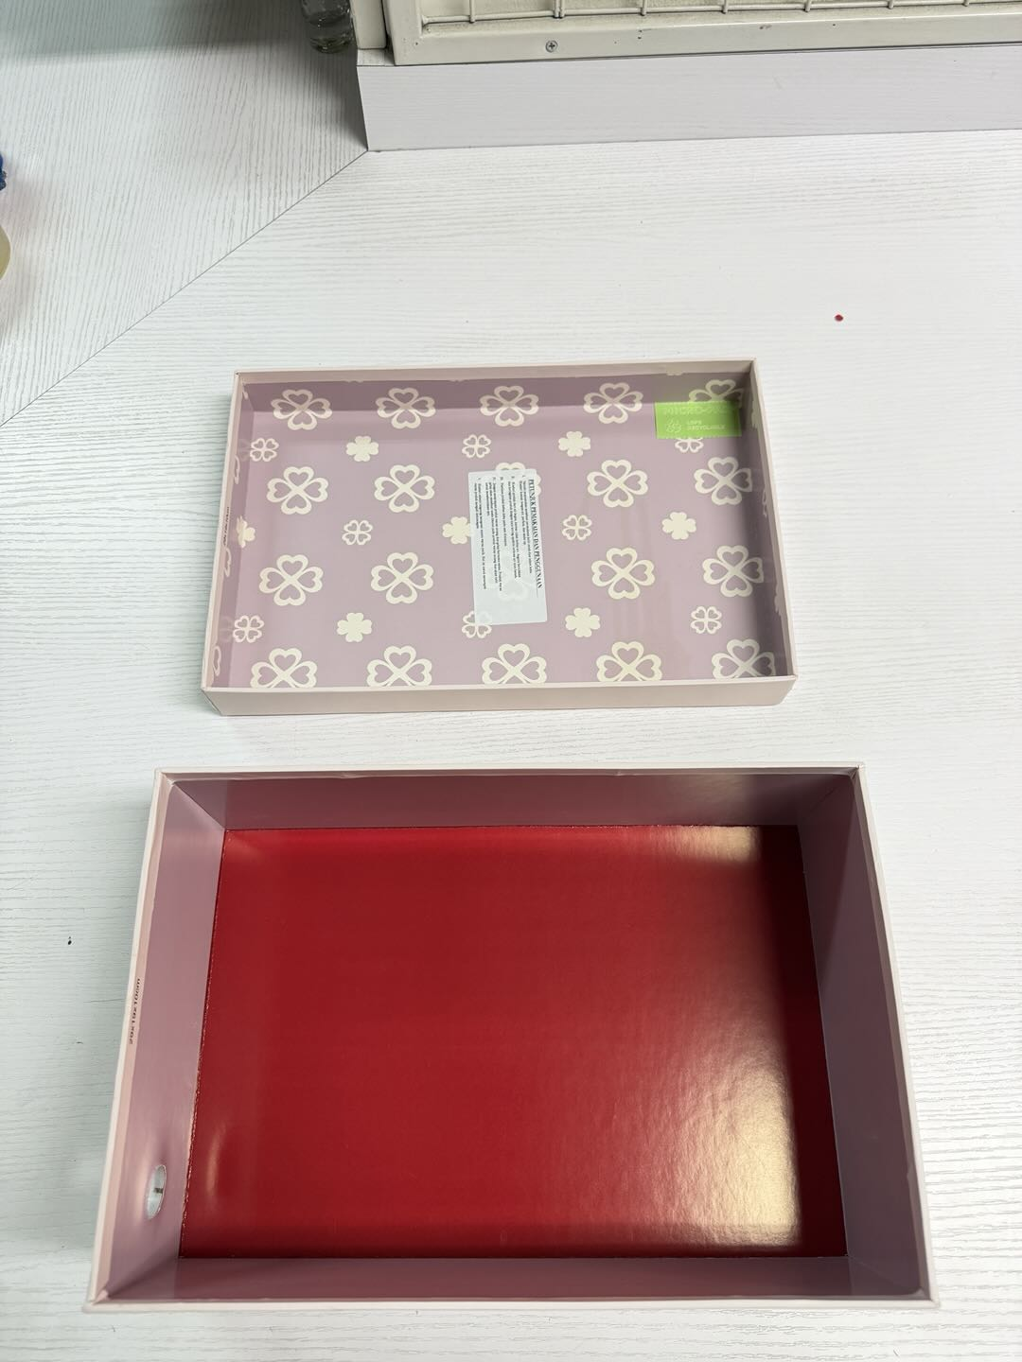
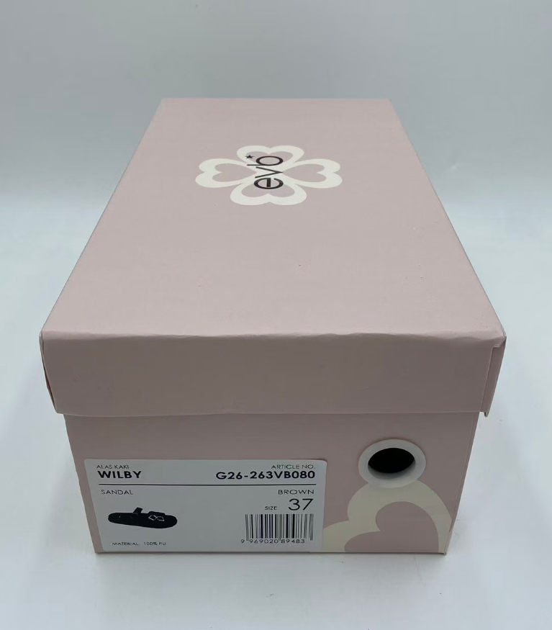
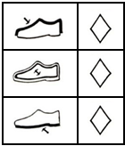
 |  |  |  |  |  |  |  |  |  |  |  | INSOLE 垫脚
 |  |  |  |  |  |  |  |  |  |  |  | 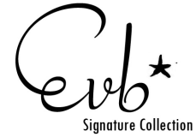

请用LTA胶带封箱 。请看图片

USE NEW SHOE BOX DESIGN |  |  |  | PLEASE USE NEW DESIGN OF DUSTBAG AND NEW WRAPPING PAPER |  |  |  |  |  |  |  |  |  |  |  |  |  |  |  |  |  |  |  | PLEASE PUT IMPORT LABEL STICKER IN EACH SHOE BOX

Please give us EXTRA TOPLIFT/DIAMOND INSIDE shoesbox, based on the shoes
請給我們額外的TOPLIFT/DIAMOND 在鞋盒,根據鞋子

